Infrastructure
 | Product ID | Description | Unit Global Price (USD) | Transfer Dscount | Unit Integrator Price (USD) | Qty | Integrator Price (USD) | GM | ISP price (USD)

Chassis Type 1 | Chassis
 | CHASSIS |  | $100,000.00 | 50.00% | $50,000.00 | 1 | $50,000.00 | 6.00% | $53,191.49
 | FANS |  | included |  |  | 1
 | FILTER |  | included |  |  | 1
 | Fabric |  | included |  |  | 3
 | PWR modules |  | included |  |  | 4
 | Routing Engine |  | included |  |  | 4
 | Operating system |  | $10,000.00 | 50.00% | $5,000.00 | 1 | $5,000.00 | 6.00% | $5,319.15
 | Line cards
 | Line card 1 |  | $250,000.00 | 50.00% | $125,000.00 | 2 | $250,000.00 | 6.00% | $265,957.45
 | Line card 2 |  | $150,000.00 | 50.00% | $75,000.00 | 2 | $150,000.00 | 6.00% | $159,574.47
 | Licenses
 |  |  |  |  |  | 0
 | Optics
 | CFP-100G-LR4 |  | $70,000 | 50.00% | $35,000.00 | 4 | $140,000.00 | 6.00% | $148,936.17
 | SFPP-LR |  | $4,000.00 | 50.00% | $2,000.00 | 16 | $32,000.00 | 6.00% | $34,042.55
 | SFP-GE-LX |  | $1,000.00 | 50.00% | $500.00 | 40 | $20,000.00 | 6.00% | $21,276.60
 | SFP-GE-T |  | $500.00 | 50.00% | $250.00 | 0 | $0.00 | 6.00% | $0.00
 |  |  | $1,294,000.00 |  |  |  | $647,000.00 |  | $688,297.87

 | Support
 | Sup-1Y | Basic support for one chassis (HW replacement, TAC) | $3,400.00 | 50.00% | $1,700.00 | 2 | $3,400.00 | 6.00% | $3,617.02
 |  |  |  |  |  |  | $3,400.00 |  | $3,617.02
Chassis Type 2

Chassis Type 3

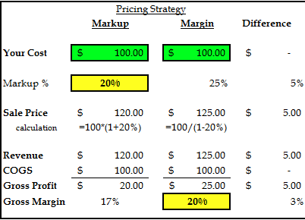

COGS | $100
Revenue | $125
GPM | 20%

